Guide
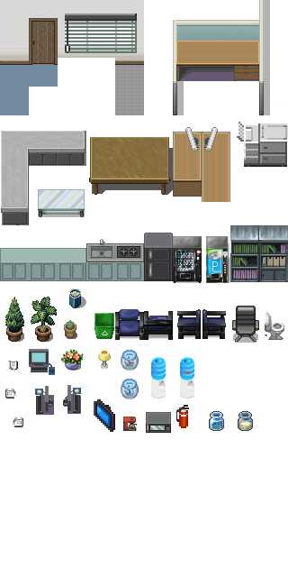
0 | 1 | 2 | 3 | 4 | 5 | 6 | 7 | 8 | 9
10 | 11 | 12 | 13 | 14 | 15 | 16 | 17 | 18 | 19
20 | 21 | 22 | 23 | 24 | 25 | 26 | 27 | 28 | 29
30 | 31 | 32 | 33 | 34 | 35 | 36 | 37 | 38 | 39
40 | 41 | 42 | 43 | 44 | 45 | 46 | 47 | 48 | 49
50 | 51 | 52 | 53 | 54 | 55 | 56 | 57 | 58 | 59
60 | 61 | 62 | 63 | 64 | 65 | 66 | 67 | 68 | 69
70 | 71 | 72 | 73 | 74 | 75 | 76 | 77 | 78 | 79
80 | 81 | 82 | 83 | 84 | 85 | 86 | 87 | 88 | 89
90 | 91 | 92 | 93 | 94 | 95 | 96 | 97 | 98 | 99
100 | 101 | 102 | 103 | 104 | 105 | 106 | 107 | 108 | 109
110 | 111 | 112 | 113 | 114 | 115 | 116 | 117 | 118 | 119
120 | 121 | 122 | 123 | 124 | 125 | 126 | 127 | 128 | 129
130 | 131 | 132 | 133 | 134 | 135 | 136 | 137 | 138 | 139
140 | 141 | 142 | 143 | 144 | 145 | 146 | 147 | 148 | 149
150 | 151 | 152 | 153 | 154 | 155 | 156 | 157 | 158 | 159
160 | 161 | 162 | 163 | 164 | 165 | 166 | 167 | 168 | 169
170 | 171 | 172 | 173 | 174 | 175 | 176 | 177 | 178 | 179
180 | 181 | 182 | 183 | 184 | 185 | 186 | 187 | 188 | 189
190 | 191 | 192 | 193 | 194 | 195 | 196 | 197 | 198 | 199

